Overview
Animal Interface https://irats.uzh.ch/irats/admin/report/breeding

Main page Breeding report
Licences
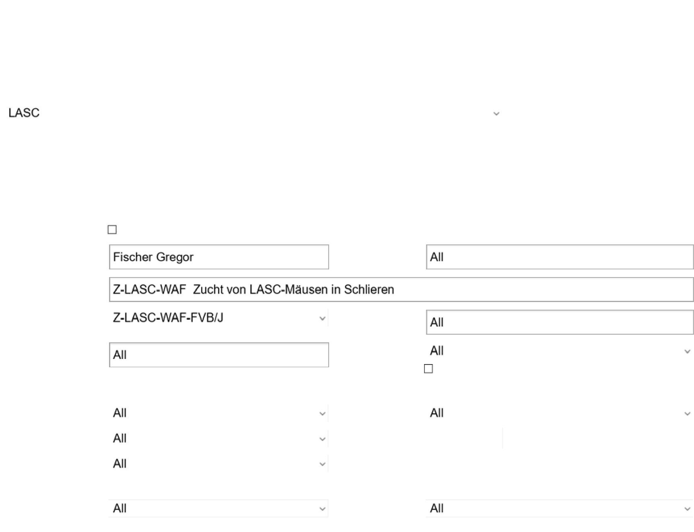

<< back
Search animals which had status "In breeding" during the selected time frame. Only pups having birthday at given period are
listed.
Load saved configuration
Configure search New search configuration
Search for animals
Search instructions
Room
Hygienic area
Species
Department
Genetically
modified (GM)
Unit
Cage
Show expired licences and inactive projects in dropdowns
Licence holder
Investigator
Project
Licence
Group leader
Institute
Project billing
person
Show removed institutes

Facility
management

Work orders &
Tasks
Animal orders
Transgenic services
Animals
Price list
Reports
Users

Personal
information

Help

PDA interface

Log out

Line Origin litter
number

Status Not in experiment In experiment Stock animal In breeding
In transfer Exported In quarantine Dead

Animals found: 42
 | Printer friendly version

1 von 5 06.10.2020, 11:10
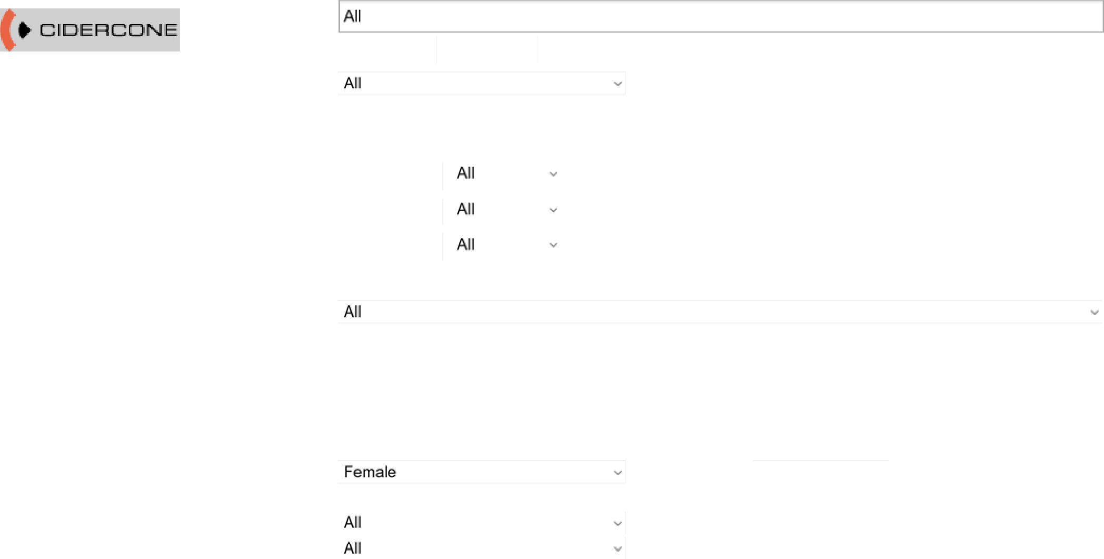

Gender
DNA number
Generation
Supplier
Chimera
if other, what Retrieve only own strains
Genotype Transgene Genotype If "other", please describe
Strain
Description
Group
System ID Animal ID
Animal order
number
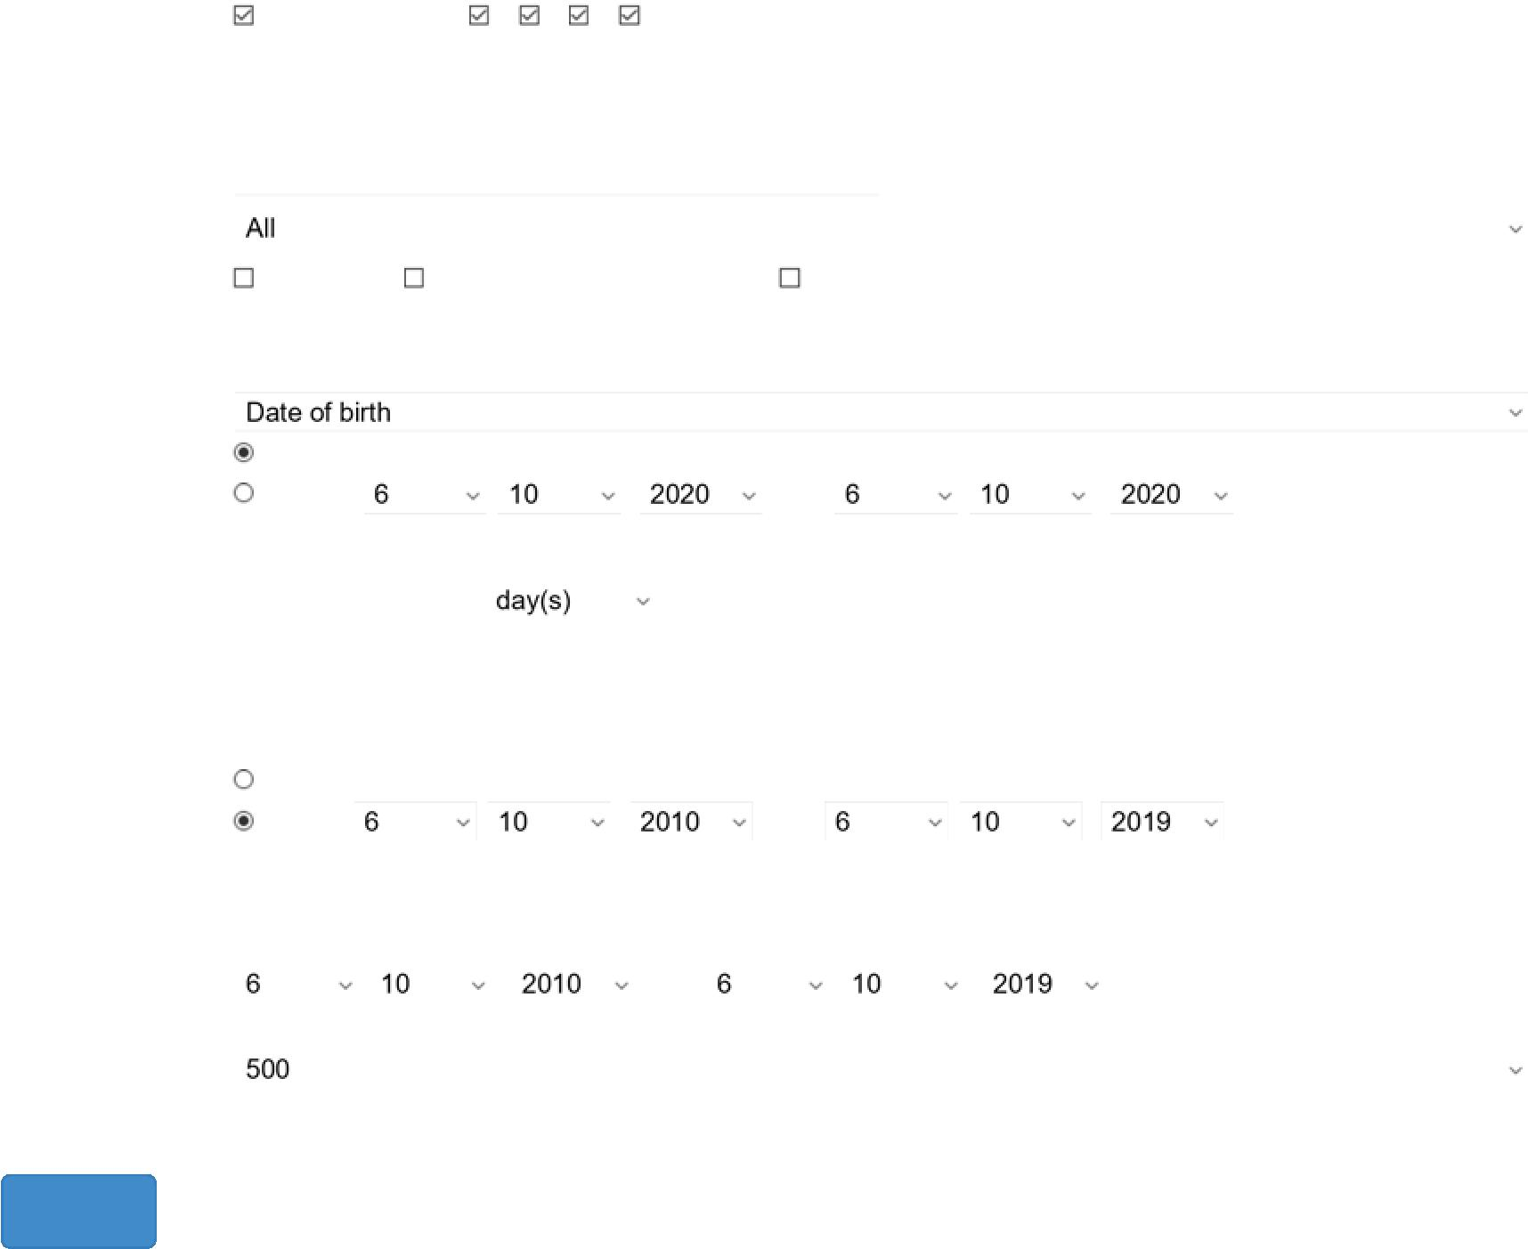

Age in weeks from to
Actual level of
severity
Not in experiment 0 1 2 3
Not defined Notification of single housing Single housing tolerated
Age Search instructions
Current situation
-
History -
All
Specific -
Animal note
Health state
Single housing
status
Search using date
Search room/cage
/licence/project
using
Breeding time
frame
Length of search
result table
Search


Mating
date
Partner
genotype
Not
defined
LASC-
Schlieren,
Room
WAF
G114
(SPF),
Cage
464067
-, Female,
*19.09.2013,
FVB/NJ-
Fue, Dead
-, Male,
*16.09.2013,
FVB/NJ-
Fue, Dead
Not defined 19.12.2013 10.08.2014 2 2 2 0 0
Not
defined
-, Female,
*12.08.2013,
FVB/NJ-
Fue, Dead
-, Male,
*12.08.2013,
FVB/NJ-
Fue, Dead
Not defined 31.10.2013
Animal Interface https://irats.uzh.ch/irats/admin/report/breeding
Sheet1
LASC-
Schlieren,
Room
WAF
G114
(SPF),
Cage
484910
LASC-
Schlieren,
Room
WAF
G114
(SPF),
Cage
630394
LASC-
Schlieren,
Room
WAF
G114
(SPF),
Cage
630402
LASC-
Schlieren,
Room
WAF
G114
(SPF),
Cage
630596
2 von 5 06.10.2020, 11:10
Pups
before
weaning
Pups
weaned
Location Animal Genotype
partner
Mating
Pups
born
?
LASC-
Schlieren,
Room
WAF
G114
(SPF),
Cage
630395
LASC-
Schlieren,
Room
WAF
G114
(SPF),
Cage
630396
LASC-
Schlieren,
Room
WAF
G114
(SPF),
Cage
646461
LASC-
Schlieren,
Room
WAF
G114
(SPF),
Cage
646461
LASC-
Schlieren,
Room
WAF
G114
(SPF),
Cage
646461
LASC-
Schlieren,
Room
WAF
G114
(SPF),
Cage
All birth
dates
Sheet2

3 von 5 06.10.2020, 11:10

Animal Interface https://irats.uzh.ch/irats/admin/report/breeding

Room
WAF
G114
(SPF),
Cage
794992

FVB/NJ-
Fue, Dead

FVB/NJ-
Fue, Dead

LASC-
Schlieren,
Room
WAF
G114
(SPF),
Cage
794993

-, Female,
*27.02.2017,
FVB/NJ-
Fue, Dead

Not
defined

-, Male,
*27.02.2017,
FVB/NJ-
Fue, Dead

Not defined 25.04.2017

LASC-
Schlieren,
Room
WAF
G114
(SPF),
Cage
897002

-, Female,
*29.12.2017,
FVB/NJ-
Fue, Dead

Not
defined

-, Male,
*29.12.2017,
FVB/NJ-
Fue, Dead

Not defined 09.02.2018

LASC-
Schlieren,
Room
WAF
G114
(SPF),
Cage
897002

-, Female,
*29.12.2017,
FVB/NJ-
Fue, Dead

Not
defined

-, Male,
*29.12.2017,
FVB/NJ-
Fue, Dead

Not defined 09.02.2018

27.07.2017 3 3 0 0 0

02.07.2017 11 9 5 4 0

12.06.2017 9 9 0 0 0

23.05.2017 7 7 0 0 0

20.07.2017 9 9 0 0 0

29.06.2017 5 7 4 0 0

16.05.2017 6 6 3 3 0

01.06.2018 2 2 0 0 0

29.03.2018 5 5 0 0 0

03.03.2018 9 9 0 0 0

16.05.2018 8 8 0 0 0

20.04.2018 9 9 0 0 0

29.03.2018 6 6 4 2 0

05.03.2018 9 9 0 0 0
LASC-
Schlieren,
Room
WAF
G114
(SPF),
Cage
905944

-, Female,
*29.12.2017,
FVB/NJ-
Fue, Dead

Not
defined

-, Male,
*29.12.2017,
FVB/NJ-
Fue, Dead

Not defined 09.02.2018

zz-LASC-
FUE (do
not use),
Room
110,
Cage
265292

-, Female,
*22.12.2010,
FVB/NJ-
Fue, Dead

Not
defined

-, Male,
*22.12.2010,
FVB/NJ-
Fue, Dead

Not
defined

2011-02-22

05.02.2012 0 Not defined 0 0 0

03.01.2012 6 6 3 3 0

21.11.2011 9 11 7 4 0

10.10.2011 7 8 4 4 0

25.07.2011 8 13 5 8 0

11.07.2011 7 7 0 0 0

30.05.2011 6 4 4 0 0

16.03.2011 8 7 3 4 0
zz-LASC-
FUE (do
not use),
Room
110,
Cage
265292

-, Female,
*27.04.2011,
FVB/NJ-
Fue, Dead

Not
defined

-, Male,
*22.12.2010,
FVB/NJ-
Fue, Dead

Not defined 01.07.2011

zz-LASC-
FUE (do
not use),
Room
110,
Cage
283730

-, Female,
*30.05.2011,
FVB/NJ-
Fue, Dead

Not
defined

-, Male,
*23.05.2011,
FVB/NJ-
Fue, Dead

Not defined 16.08.2011

03.01.2012 7 7 4 3 0

25.10.2011 11 8 2 6 0

01.10.2011 8 9 7 2 0

06.09.2011 9 16 8 8 0
zz-LASC-
FUE (do
not use),
Room
110,
Cage
283730

-, Female,
*30.05.2011,
FVB/NJ-
Fue, Dead

Not
defined

-, Male,
*23.05.2011,
FVB/NJ-
Fue, Dead

Not defined 16.08.2011 28.11.2011 8 8 3 5 0

zz-LASC-
FUE (do
not use),
Room
110,
Cage
349142

-, Female,
*03.01.2012,
FVB/NJ-
Fue, Dead

Not
defined

-, Male,
*03.01.2012,
FVB/NJ-
Fue, Dead

Not defined 25.04.2012

31.10.2012 13 13 6 7 0

07.09.2012 10 10 5 5 0

04.06.2012 8 12 8 4 0

15.05.2012 6 16 8 8 0
zz-LASC-
FUE (do
not use),
Room
110,
Cage
349142

-, Female,
*03.01.2012,
FVB/NJ-
Fue, Dead

Not
defined

-, Male,
*03.01.2012,
FVB/NJ-
Fue, Dead

Not defined 25.04.2012

zz-LASC-
 |  | FUE (do
not use),
Room
110,
Cage
401372

-, Female,
*03.01.2012,
FVB/NJ-
Fue, Dead

Not
defined

-, Male,
*03.01.2012,
FVB/NJ-
Fue, Dead

Not defined 25.04.2012

02.10.2012 7 8 4 4 0

27.08.2012 12 12 6 6 0

15.05.2012 6 11 6 5 0
zz-LASC-
 |  | FUE (do
not use),
Room
110,
Cage
401372

-, Female,
*03.01.2012,
FVB/NJ-
Fue, Dead

Not
defined

-, Male,
*03.01.2012,
FVB/NJ-
Fue, Dead

Not
defined

2012-04-25

4 von 5 06.10.2020, 11:10
Sheet3
5 von 5 06.10.2020, 11:10

